Queries & Screen Shots
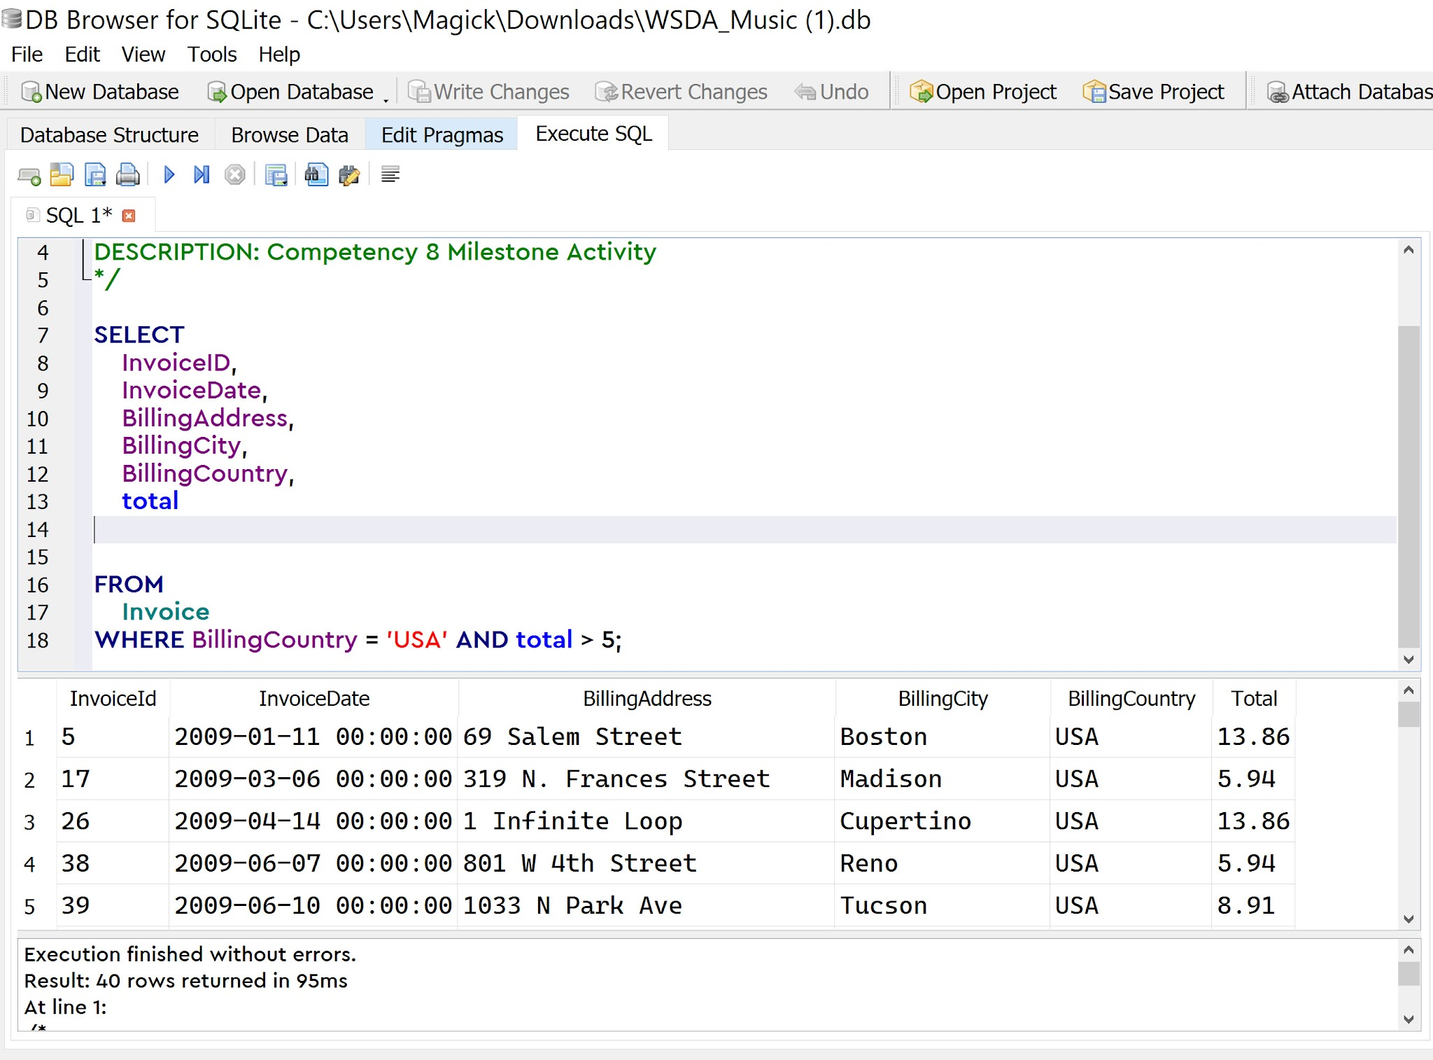
QUESTION 1 & 2 | /* CREATED BY: Enigma Valdez CREATE DATE: 7/20/2026 DESCRIPTION: Competency 8 Milestone Activity */ SELECT InvoiceID, InvoiceDate, BillingAddress, BillingCity, BillingCountry, total FROM Invoice WHERE BillingCountry = 'USA' AND total > 5;
 | ROWS IN QUERY RESULTS=40
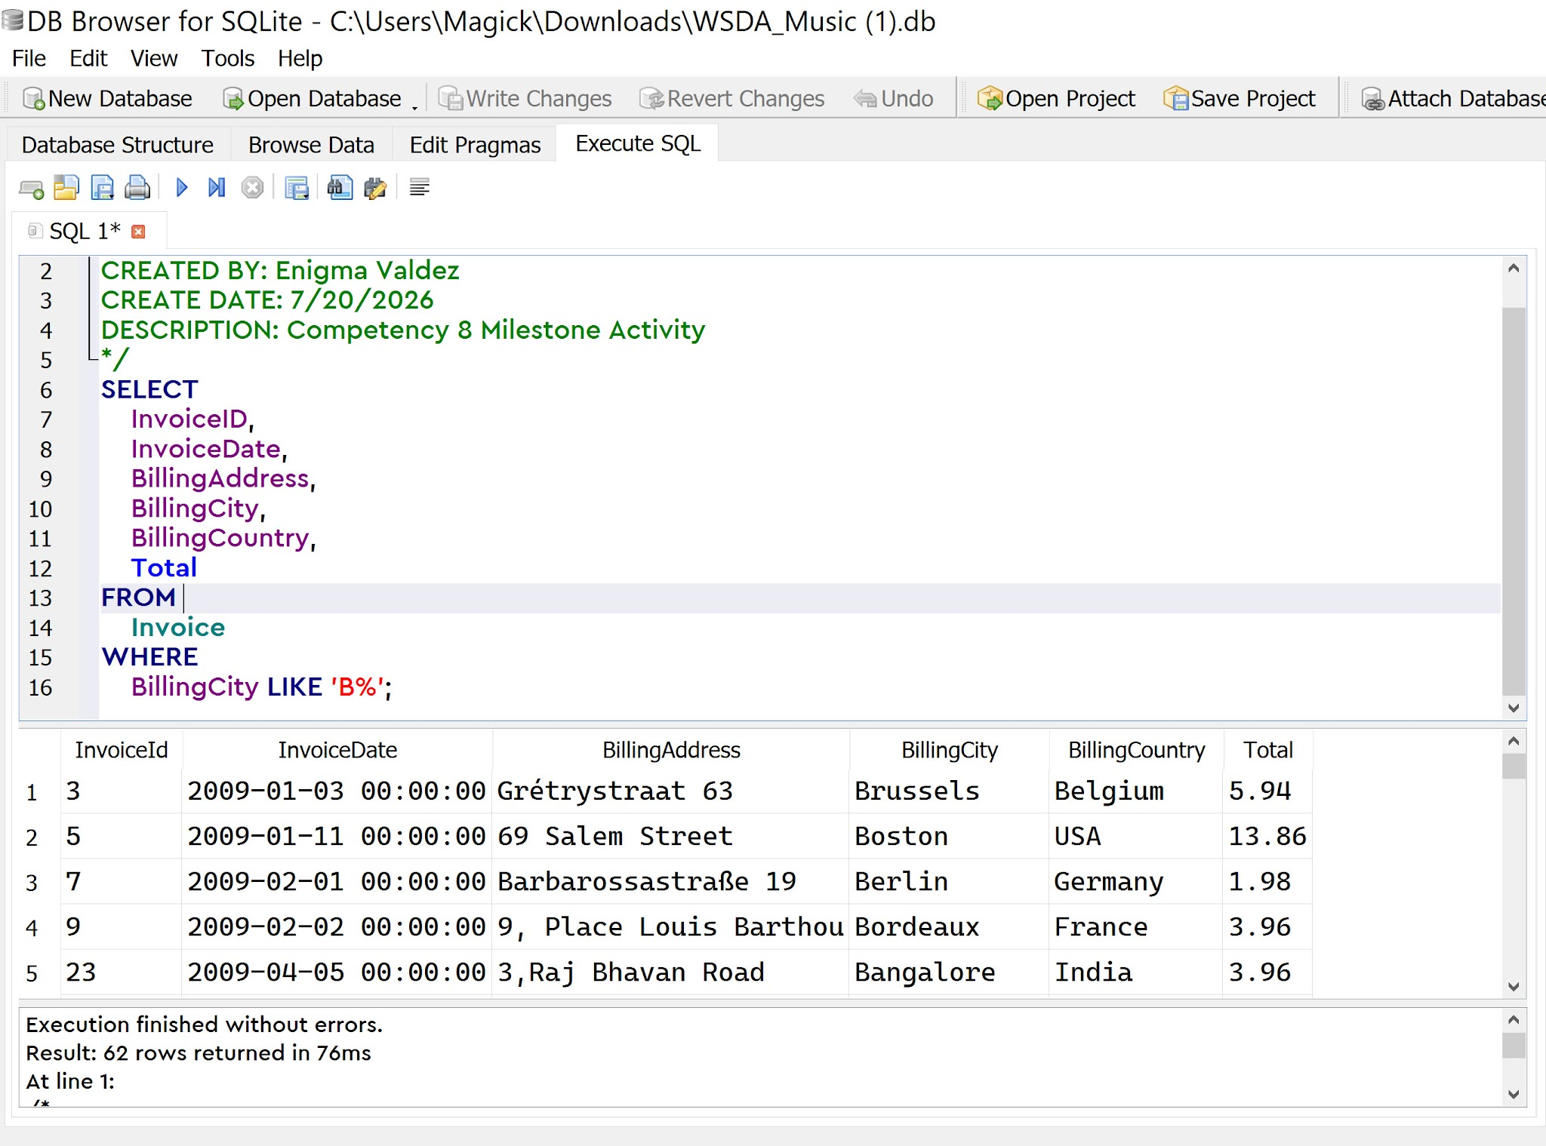
QUESTION 3 | /*
 | CREATED BY: Enigma Valdez
 | CREATE DATE: 7/20/2026
 | DESCRIPTION: Competency 8 Milestone Activity
 | */
 | SELECT
 | InvoiceID,
 | InvoiceDate,
 | BillingAddress,
 | BillingCity,
 | BillingCountry,
 | Total
 | FROM
 | Invoice
 | WHERE
 | BillingCity LIKE 'B%';

 | ROWS IN QUERY RESULTS = 62
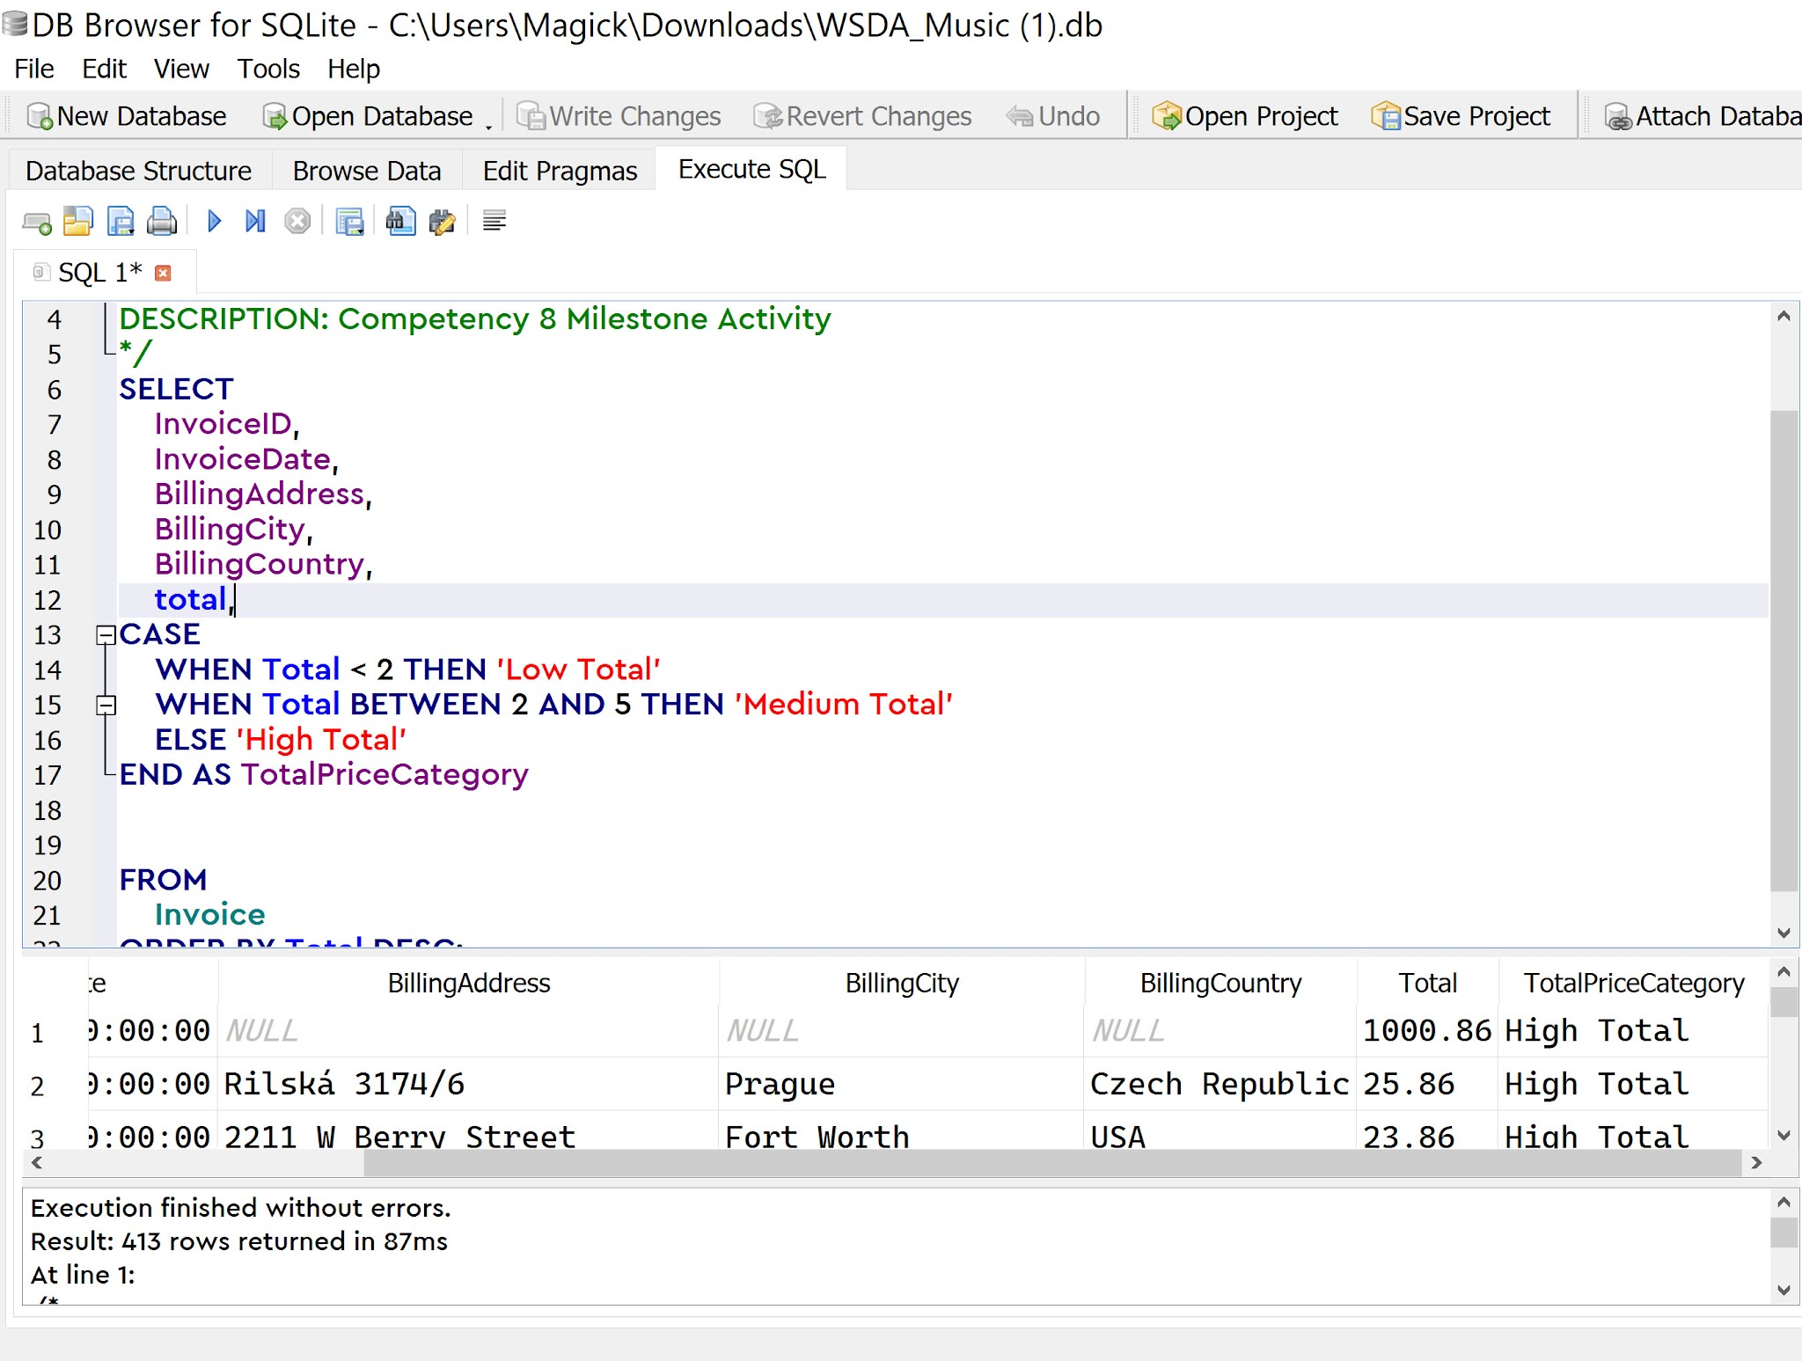
QUESTION 4 | /*
 | CREATED BY: Enigma Valdez
 | CREATE DATE: 7/20/2026
 | DESCRIPTION: Competency 8 Milestone Activity
 | */
 | SELECT
 |  | InvoiceID,
 |  | InvoiceDate,
 |  | BillingAddress,
 |  | BillingCity,
 |  | BillingCountry,
 |  | total,
 | CASE
 |  | WHEN Total < 2 THEN 'Low Total'
 |  | WHEN Total BETWEEN 2 AND 5 THEN 'Medium Total'
 |  | ELSE 'High Total'
 | END AS TotalPriceCategory

 | FROM
 |  | Invoice
 | ORDER BY Total DESC;

Total of the record showing in the first row: 1000.86

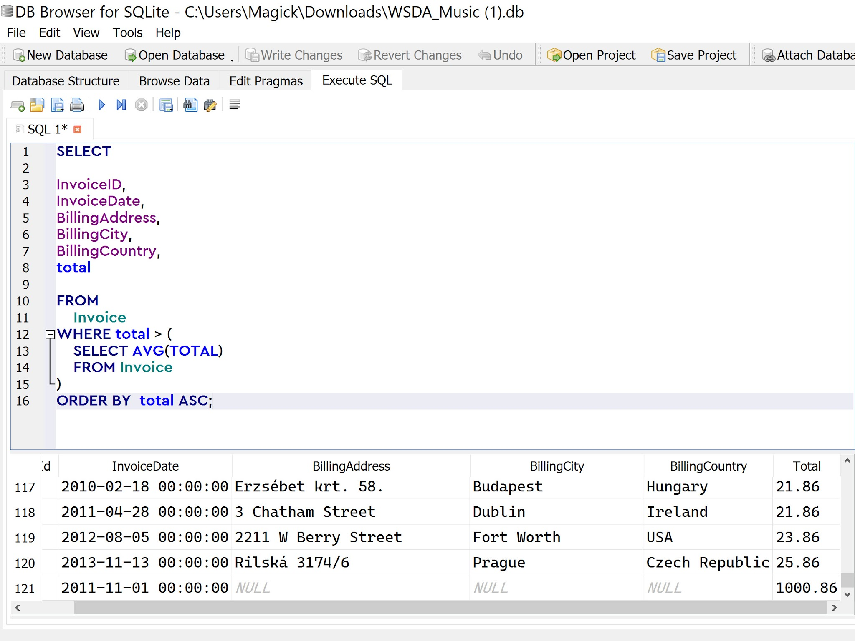
QUESTION 5 | SELECT

 | InvoiceID,
 | InvoiceDate,
 | BillingAddress,
 | BillingCity,
 | BillingCountry,
 | total

 | FROM
 |  | Invoice
 | WHERE total > (
 |  | SELECT AVG(TOTAL)
 |  | FROM Invoice
 | )
 | ORDER BY total ASC;

Average total Value: 20.59
Total of records showing first row: 8.91
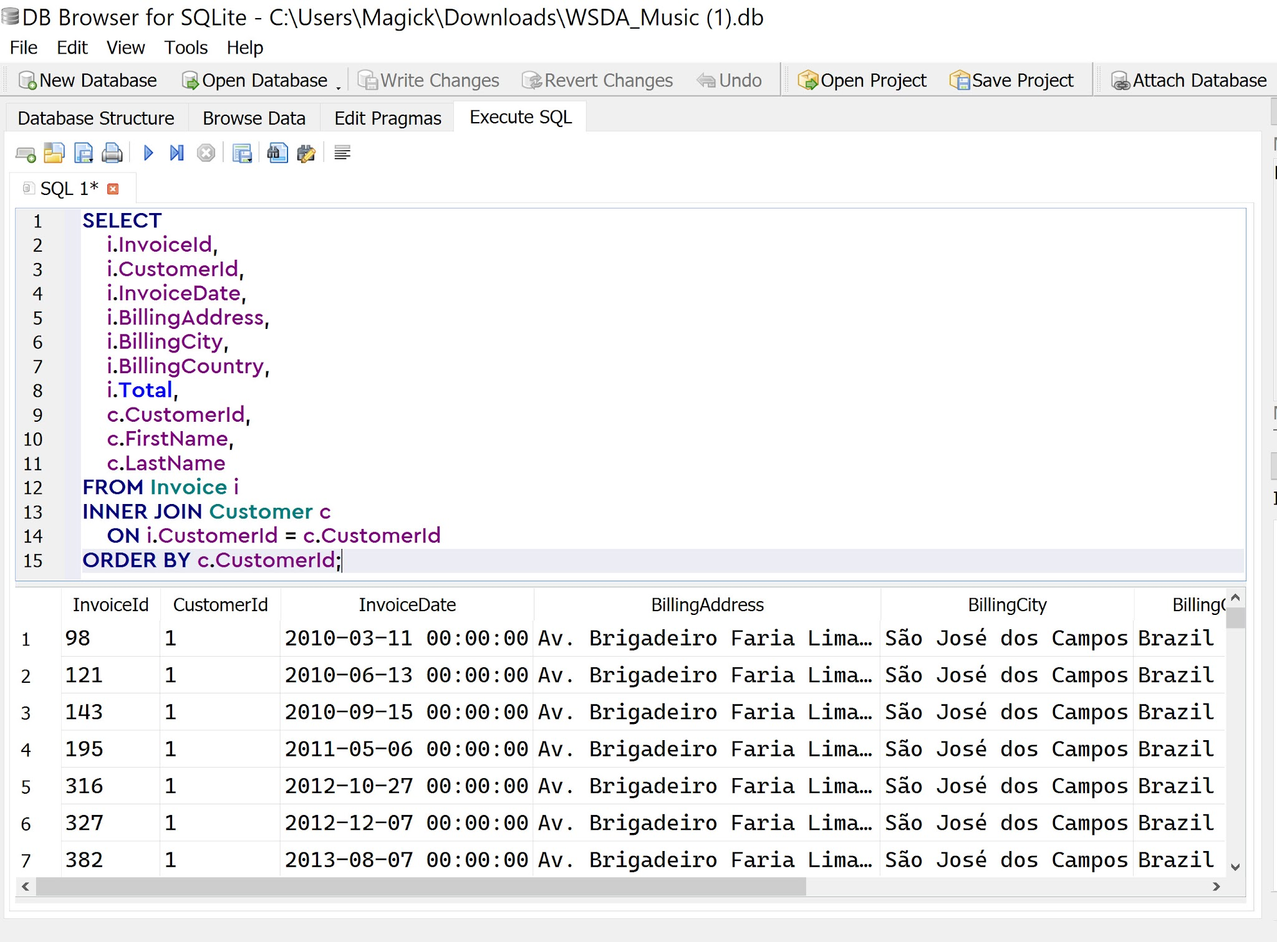
QUESTION 6 | SELECT
 | i.InvoiceId,
 | i.CustomerId,
 | i.InvoiceDate,
 | i.BillingAddress,
 | i.BillingCity,
 | i.BillingCountry,
 | i.Total,
 | c.CustomerId,
 | c.FirstName,
 | c.LastName
 | FROM Invoice i
 | INNER JOIN Customer c
 | ON i.CustomerId = c.CustomerId
 | ORDER BY c.CustomerId;

Write the first and last name of the customer showing on InvoiceID 98. |  |  |  | Luís Gonçalves
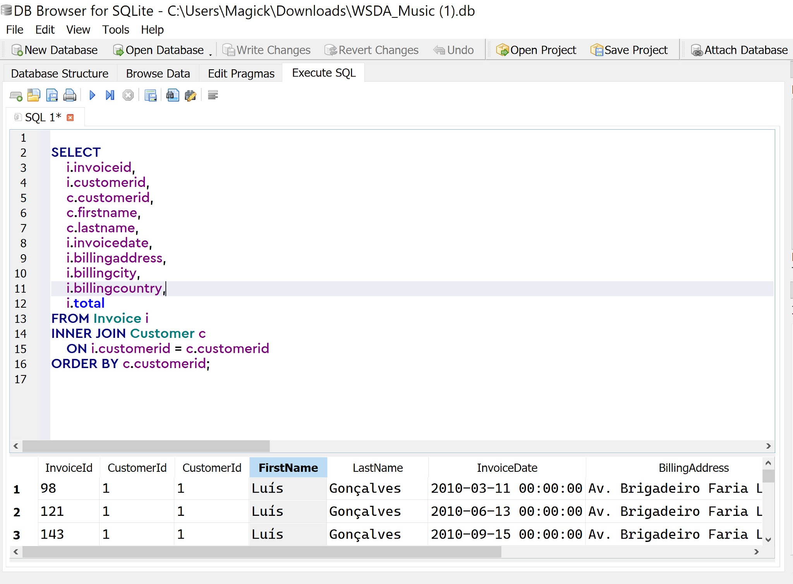
QUESTION 6 B | SELECT i.invoiceid, i.customerid, c.customerid, c.firstname, c.lastname, i.invoicedate, i.billingaddress, i.billingcity, i.billingcountry, i.total FROM Invoice i INNER JOIN Customer c ON i.customerid = c.customerid ORDER BY c.customerid;

The query omits the ON clause (which is the matching condition) right after the INNER JOIN Customer c statement. It failed because without an ON clause to tell SQL how to connect the two tables (ON i.customerID = c. customerID), the database performes a Cartesian Product or a Cross Join. Instead of matching each invoice to its rightful buyer, SQL blindly pairs every single invoice in the Invoice table with every row in the Customer table, causing the incorrect and duplicated results shown in the Figure 1.

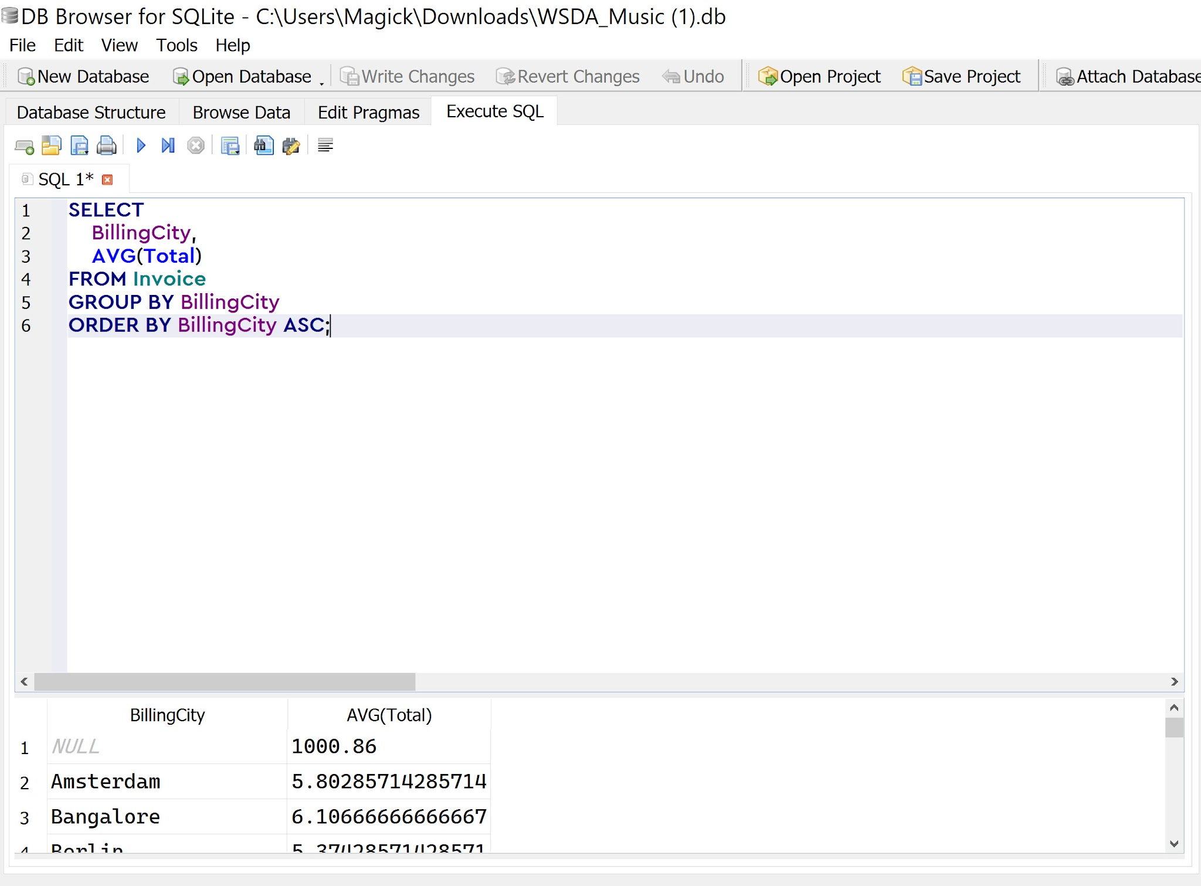
QUESTION 7 | SELECT
 | BillingCity,
 | AVG(Total)
 | FROM Invoice
 | GROUP BY BillingCity
 | ORDER BY BillingCity ASC;

How many rows are there in the query results? |  |  | 53

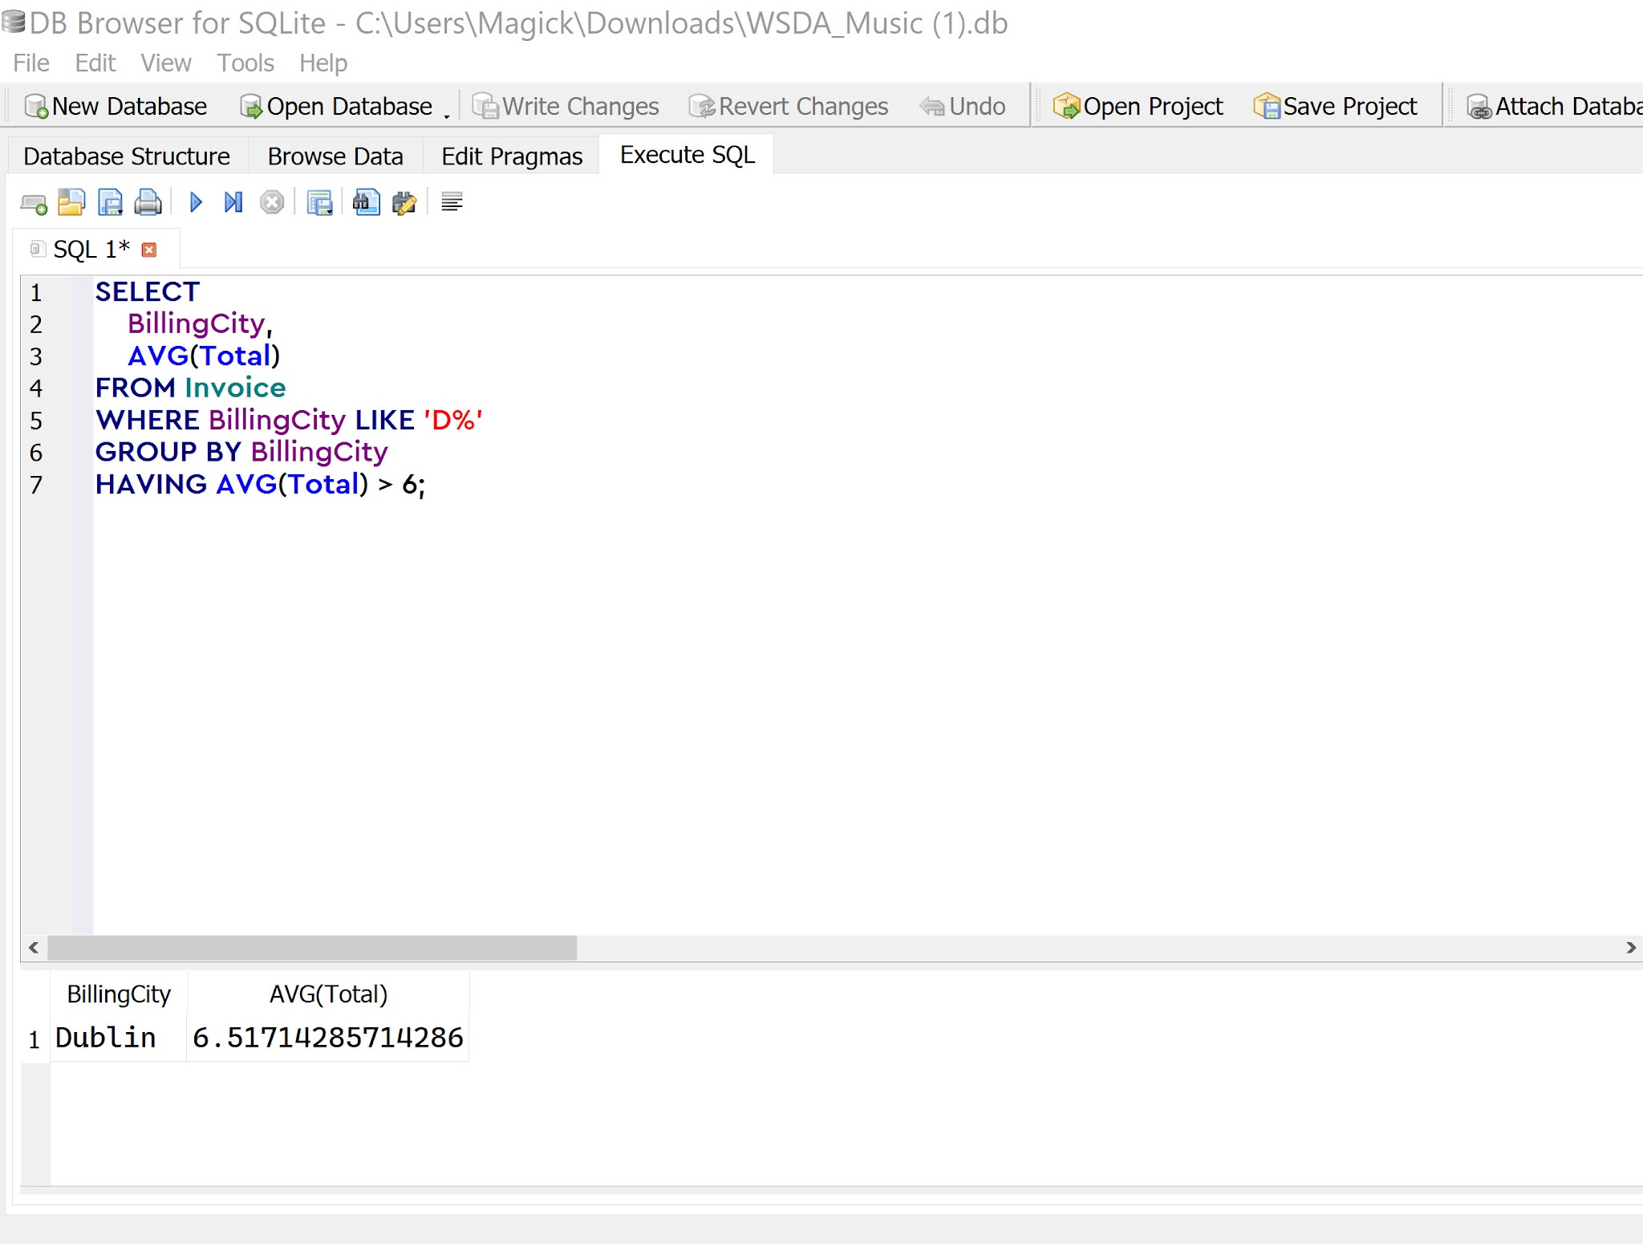
QUESTION 8 | SELECT
 | BillingCity,
 | AVG(Total)
 | FROM Invoice
 | WHERE BillingCity LIKE 'D%'
 | GROUP BY BillingCity
 | HAVING AVG(Total) > 6;

City is Delhi Average Value 8.91
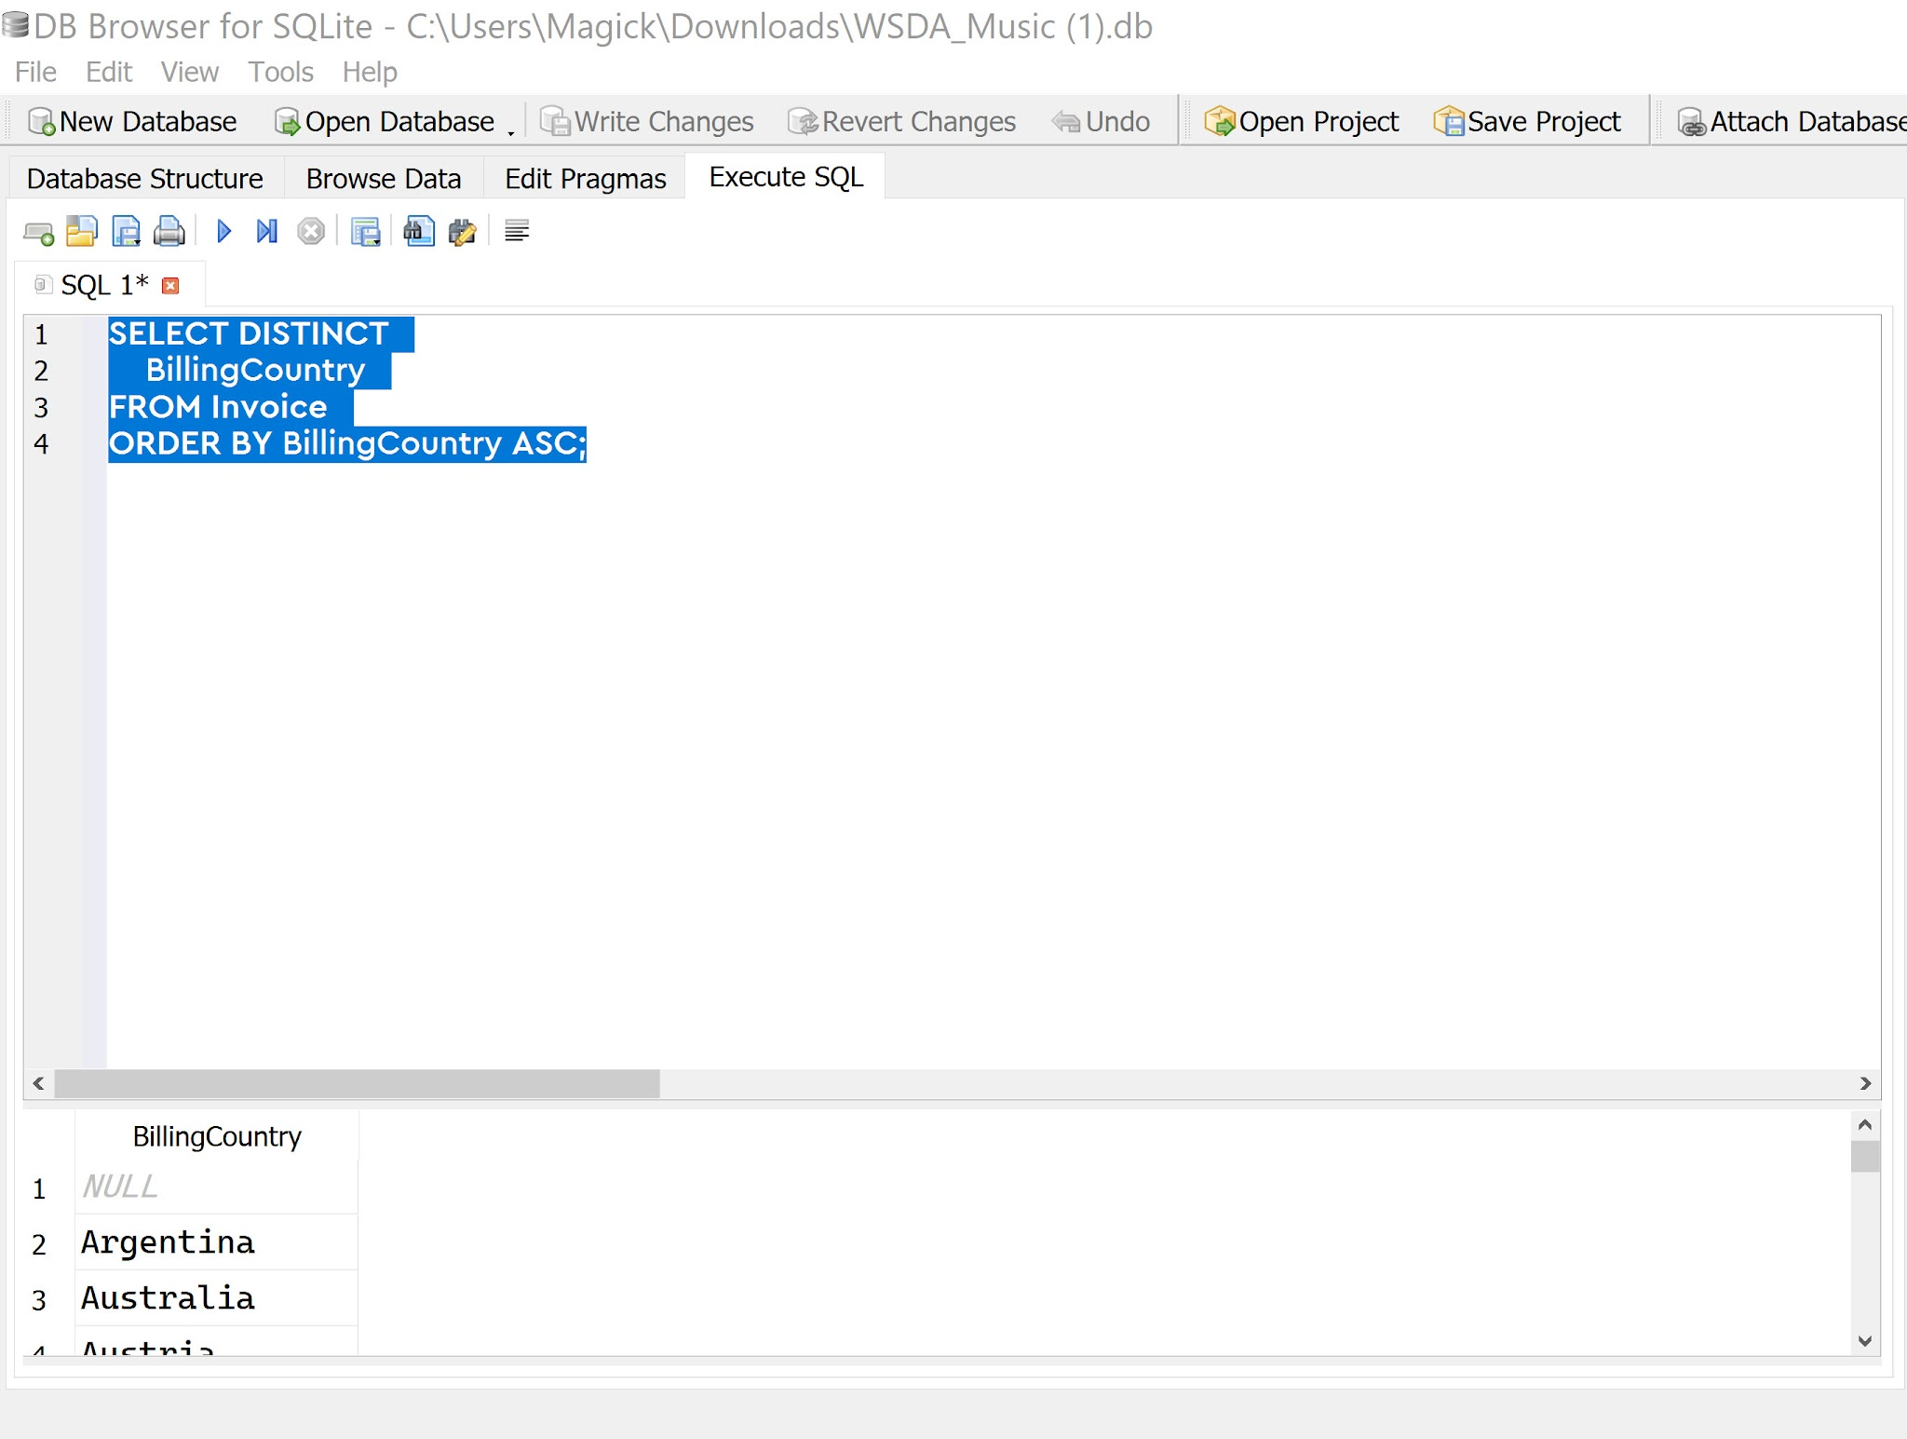
QUESTION 9 | SELECT DISTINCT
 | BillingCountry
 | FROM Invoice
 | ORDER BY BillingCountry ASC;

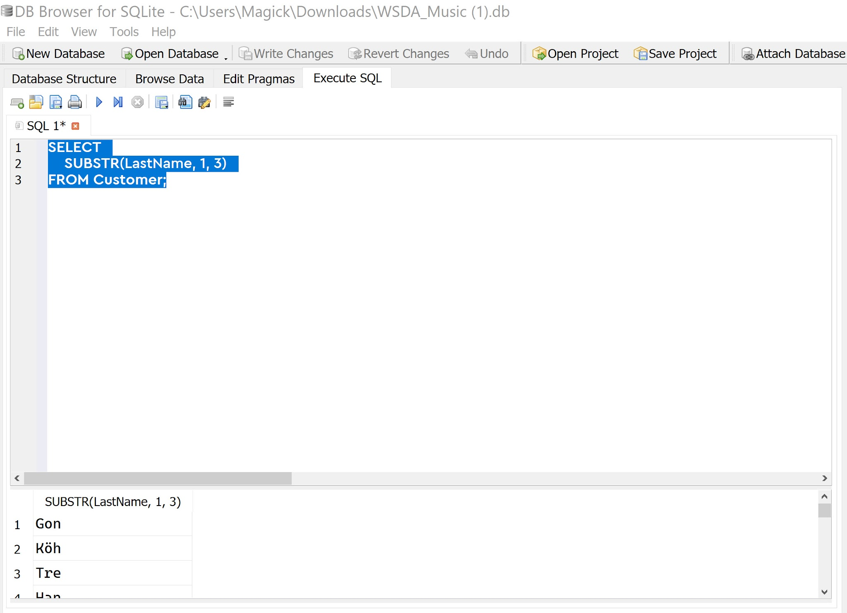
Number of rows in the query results: 24
QUESTION 10 | SELECT
 | SUBSTR(LastName, 1, 3)
 | FROM Customer;

Here is what the last name Hansen looks like after applying the SUBSTR function:

Result: Han
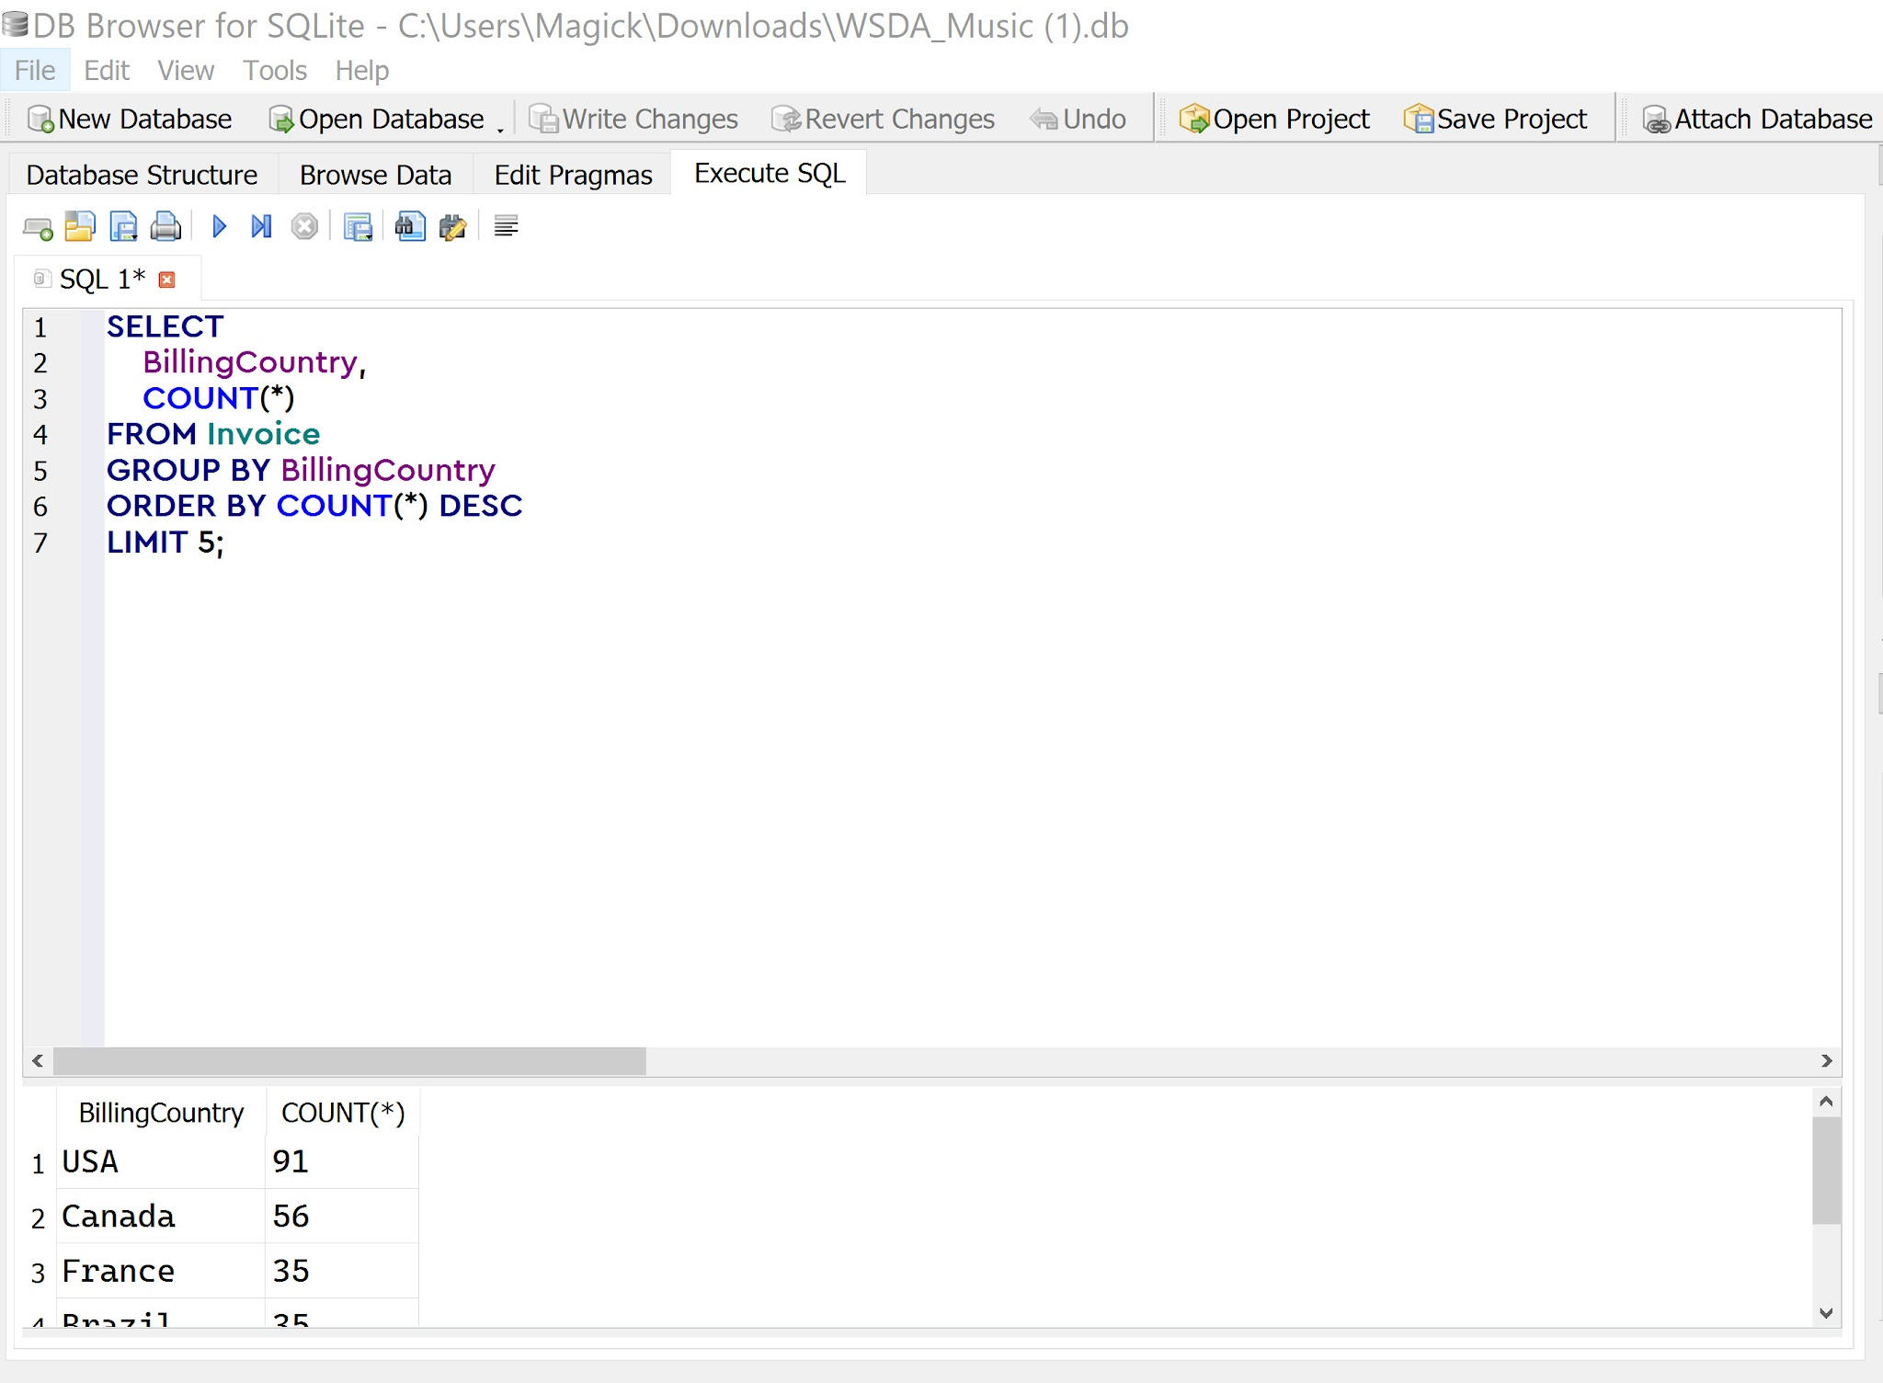
QUESTION 11 | SELECT
 | BillingCountry,
 | COUNT(*)
 | FROM Invoice
 | GROUP BY BillingCountry
 | ORDER BY COUNT(*) DESC
 | LIMIT 5;

Visualization Chart
COUNT(*) vs. BillingCountry
BillingCountry | COUNT(*)
USA | 91
Canada | 56
France | 35
Brazil | 35
Germany | 28

